2. Workbench Deployment Steps
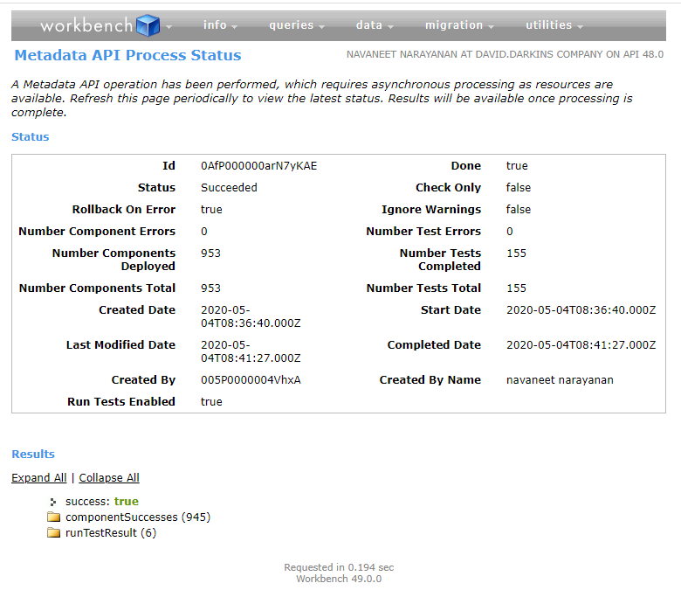
Please ensure to complete all 4 steps on this tab before moving to Post Deployment Steps

Step1: | Log into Salesforce Workbench, choose the zip file "CTT_Package" provided for installation. Choose "There no confidential data in these files" option. Click Next

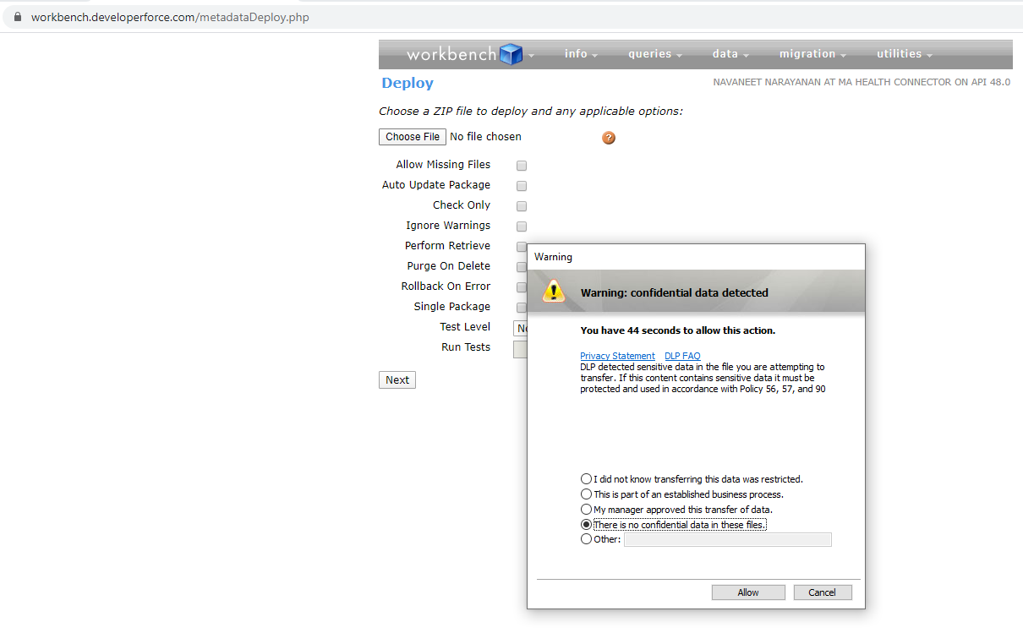

Step 2: | Choose options as below in the next screen

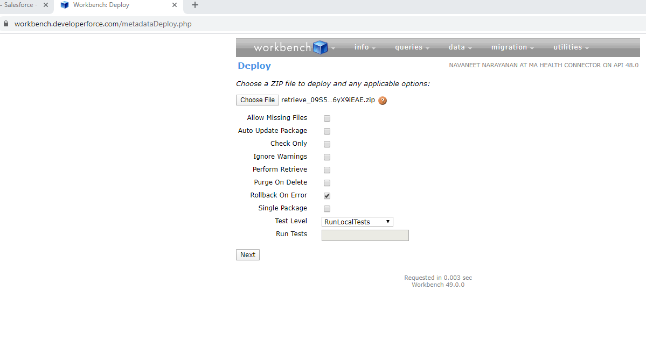

Step 3: | Click Deploy
 |  |  | 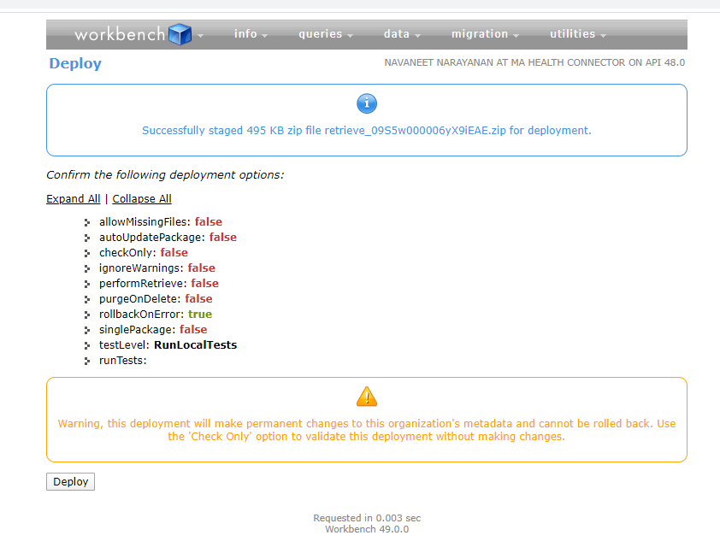 | 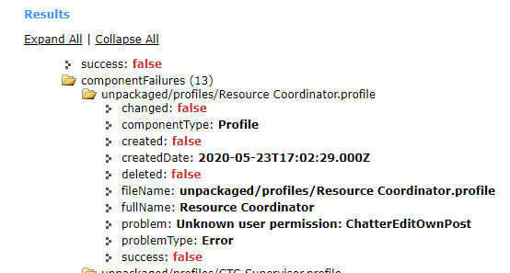 | success: false componentFailures (13) unpackaged/profiles/Resource Coordinator.profile changed: false componentType: Profile created: false createdDate: 2020-05-23T17:02:29.000Z deleted: false fileName: unpackaged/profiles/Resource Coordinator.profile fullName: Resource Coordinator problem: Unknown user permission: ChatterEditOwnPost problemType: Error success: false unpackaged/profiles/CTC Supervisor.profile changed: false componentType: Profile created: false createdDate: 2020-05-23T17:02:29.000Z deleted: false fileName: unpackaged/profiles/CTC Supervisor.profile fullName: CTC Supervisor problem: Unknown user permission: ChatterEditOwnPost problemType: Error success: false unpackaged/profiles/Case Investigator.profile changed: false componentType: Profile created: false createdDate: 2020-05-23T17:02:29.000Z deleted: false fileName: unpackaged/profiles/Case Investigator.profile fullName: Case Investigator problem: Unknown user permission: ChatterEditOwnPost problemType: Error success: false unpackaged/profiles/Contact Tracer.profile changed: false componentType: Profile created: false createdDate: 2020-05-23T17:02:29.000Z deleted: false fileName: unpackaged/profiles/Contact Tracer.profile fullName: Contact Tracer problem: Unknown user permission: ChatterEditOwnPost problemType: Error success: false unpackaged/layouts/PersonAccount-Person Account Layout.layout changed: false componentType: Layout created: false createdDate: 2020-05-23T17:02:36.000Z deleted: false fileName: unpackaged/layouts/PersonAccount-Person Account Layout.layout fullName: PersonAccount-Person Account Layout problem: In field: QuickAction - no QuickAction named FeedItem.RypplePost found problemType: Error success: false unpackaged/layouts/Account-Account Layout.layout changed: false componentType: Layout created: false createdDate: 2020-05-23T17:02:36.000Z deleted: false fileName: unpackaged/layouts/Account-Account Layout.layout ful
 |  | Chatter permission: Allow users to edit posts and comments
 |  | Removed "CustomizeReports" permission from profie. Created new zip file and deployed again.

Step 4: | Deployment should end with Success

